Total AM market size
Year | Type | Segment | Past revenue (USD)
2014 | Past revenue | Total | $4,102,000,000 |  | - segmented (stacked) bar plot from 2024 to 2034 with low/avh/high forecasts broken down by segment - filters: segment
2015 | Past revenue | Total | $5,166,000,000
2016 | Past revenue | Total | $6,064,000,000
2017 | Past revenue | Total | $7,336,000,000
2018 | Past revenue | Total | $9,795,000,000
2019 | Past revenue | Total | $11,868,000,000
2020 | Past revenue | Total | $12,758,000,000 | Filters | Segment
2021 | Past revenue | Total | $15,244,000,000 |  | Material sales | AM material market size'!A1
2022 | Past revenue | Total | $18,027,000,000 |  | Printers sales and servicing | Printer sales servicing size'!A1
2023 | Past revenue | Total | $20,034,100,000 |  | Printing services | Printing services market'!A1
2024 | Past revenue | Total | $21,856,130,461 |  | Software sales | AM software market size'!A1
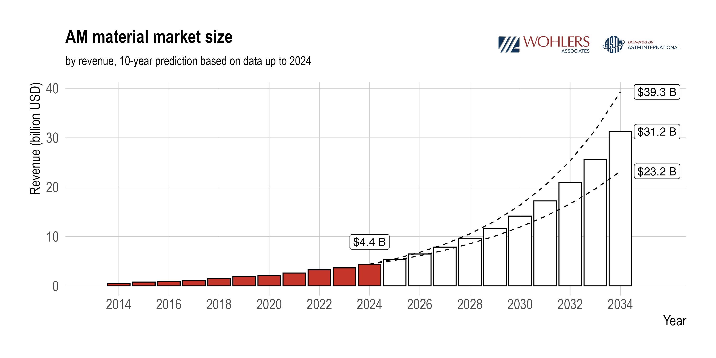
2025 | Low end forecast | Total | $24,854,709,252
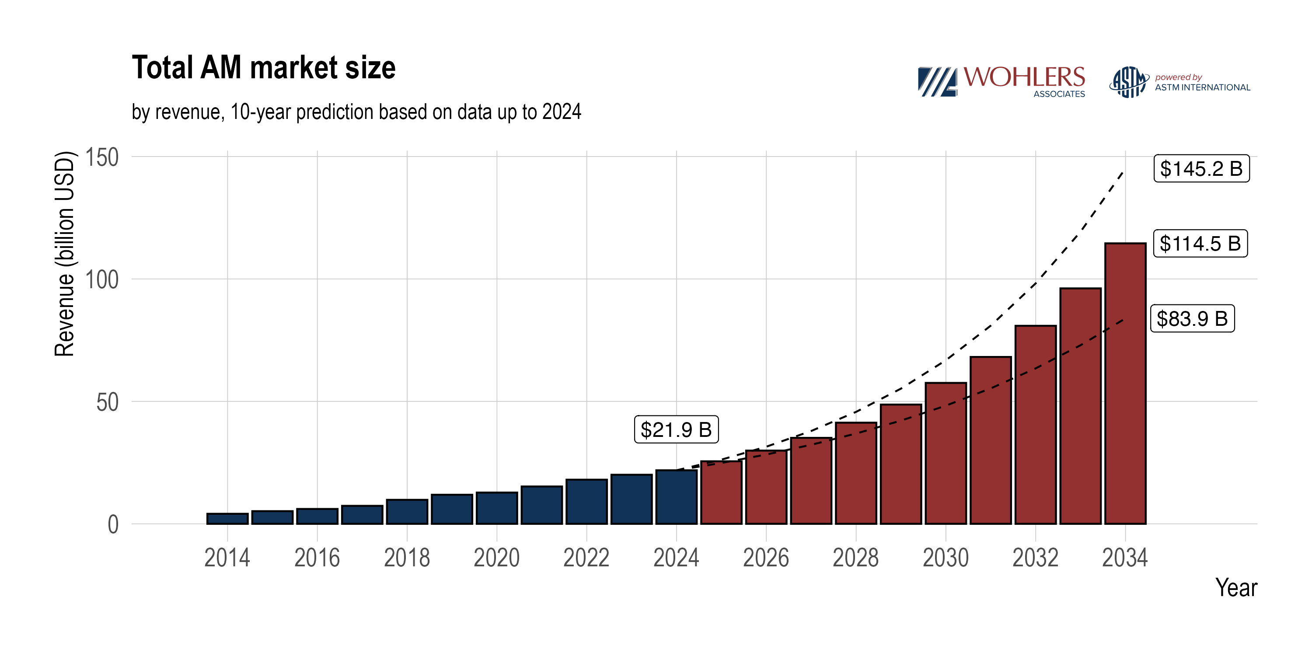
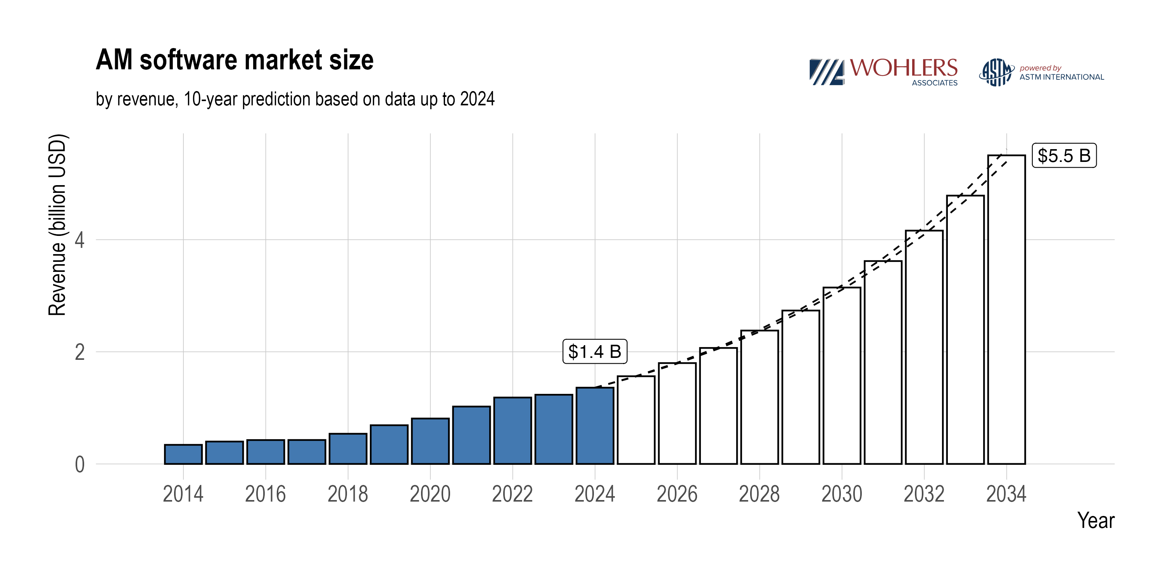
2026 | Low end forecast | Total | $28,306,233,710
2027 | Low end forecast | Total | $32,282,720,332
2028 | Low end forecast | Total | $36,867,940,404
2029 | Low end forecast | Total | $42,159,366,591
2030 | Low end forecast | Total | $48,270,444,916
2031 | Low end forecast | Total | $55,333,246,885
2032 | Low end forecast | Total | $63,501,565,808
2033 | Low end forecast | Total | $72,954,532,246
2034 | Low end forecast | Total | $83,900,836,184
2025 | Average forecast | Total | $25,534,599,304
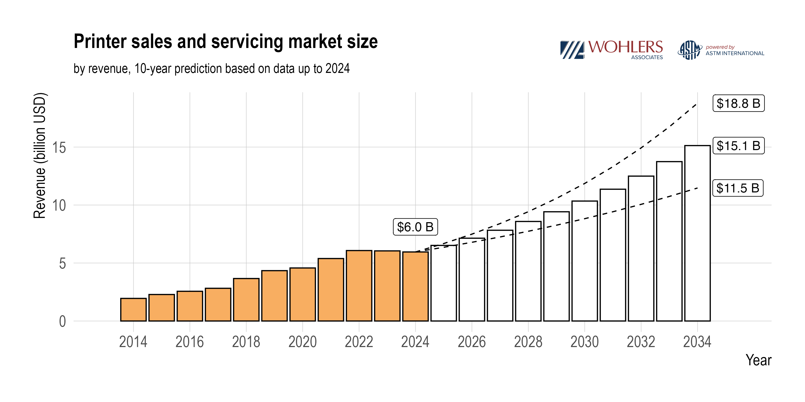
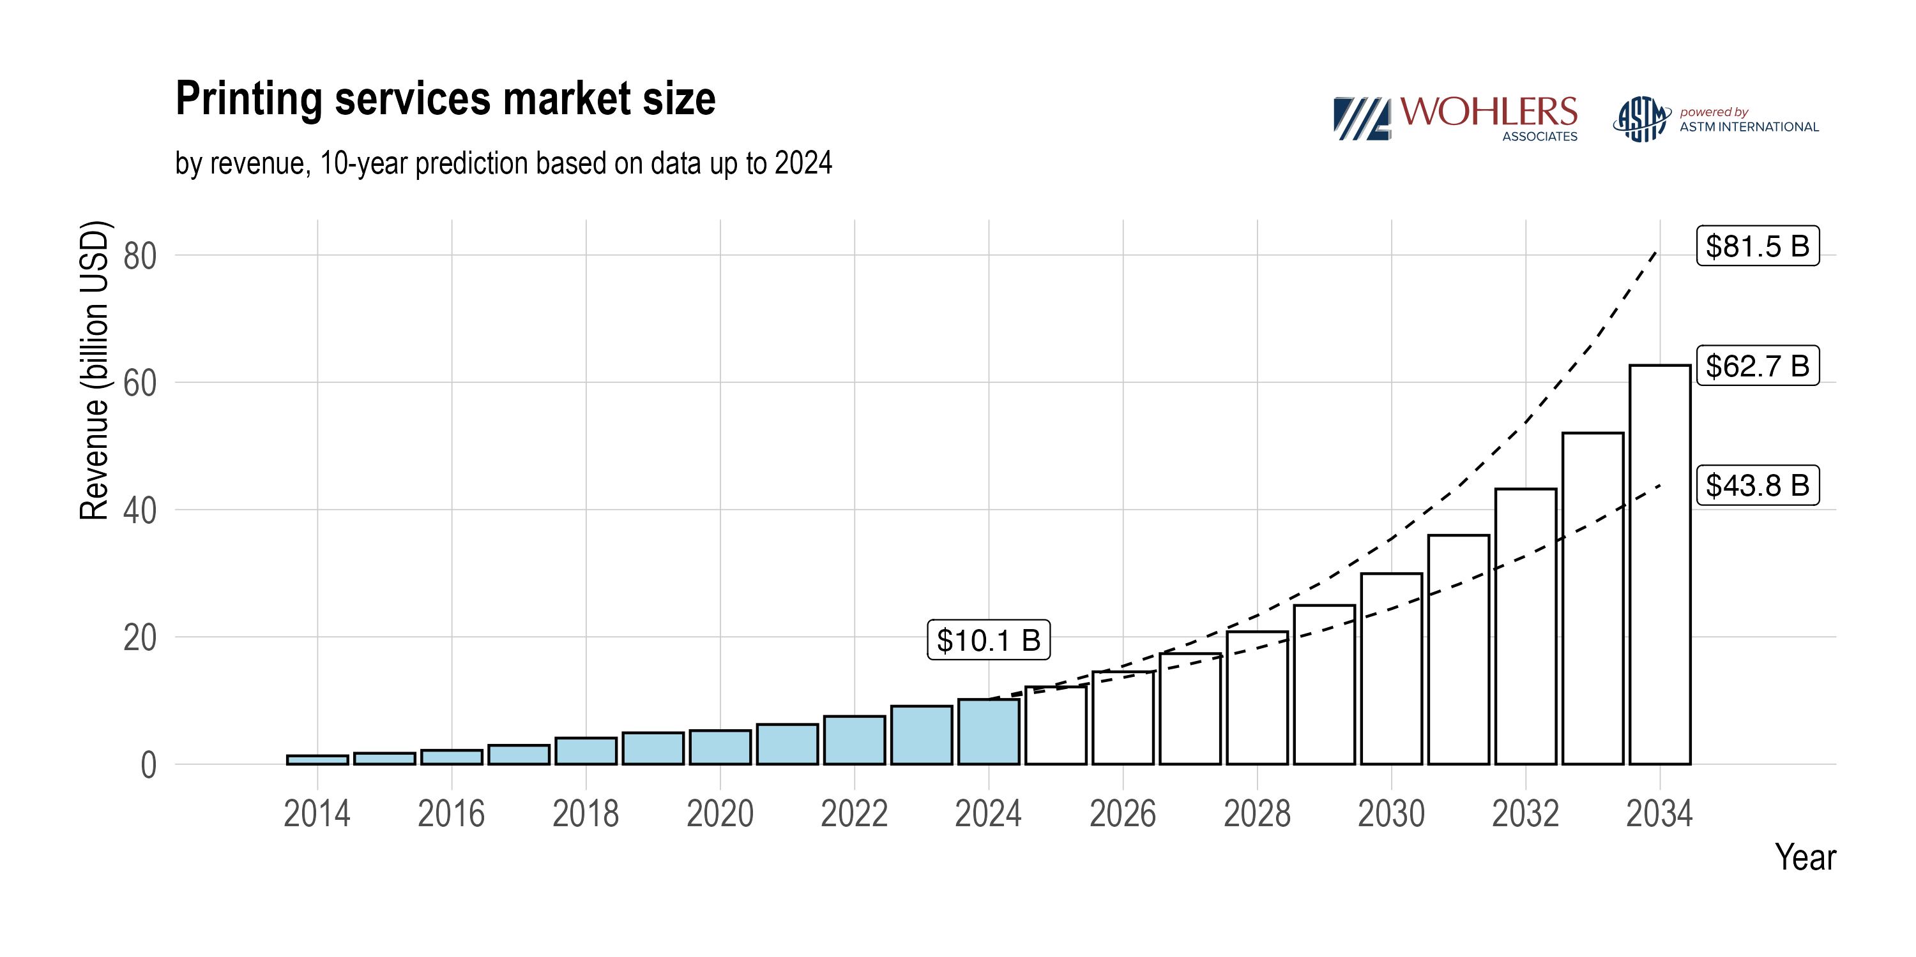
2026 | Average forecast | Total | $29,903,360,875
2027 | Average forecast | Total | $35,101,501,091
2028 | Average forecast | Total | $41,297,506,625
2029 | Average forecast | Total | $48,695,691,332
2030 | Average forecast | Total | $57,544,061,175
2031 | Average forecast | Total | $68,143,945,193
2032 | Average forecast | Total | $80,861,795,517
2033 | Average forecast | Total | $96,143,652,517
2034 | Average forecast | Total | $114,532,885,843
2025 | High end forecast | Total | $26,214,489,356
2026 | High end forecast | Total | $31,500,488,041
2027 | High end forecast | Total | $37,920,281,849
2028 | High end forecast | Total | $45,727,072,846
2029 | High end forecast | Total | $55,232,016,073
2030 | High end forecast | Total | $66,817,677,434
2031 | High end forecast | Total | $80,954,643,501
2032 | High end forecast | Total | $98,222,025,226
2033 | High end forecast | Total | $119,332,772,789
2034 | High end forecast | Total | $145,164,935,501
2014 | Past revenue | Materials | $507,100,000
2015 | Past revenue | Materials | $768,300,000
2016 | Past revenue | Materials | $903,000,000
2017 | Past revenue | Materials | $1,133,700,000
2018 | Past revenue | Materials | $1,494,700,000
2019 | Past revenue | Materials | $1,916,100,000
2020 | Past revenue | Materials | $2,105,200,000
2021 | Past revenue | Materials | $2,598,200,000
2022 | Past revenue | Materials | $3,259,500,000
2023 | Past revenue | Materials | $3,646,800,000
2024 | Past revenue | Materials | $4,379,345,540
2025 | Low end forecast | Materials | $5,173,837,523
2026 | Low end forecast | Materials | $6,112,464,630
2027 | Low end forecast | Materials | $7,221,375,563
2028 | Low end forecast | Materials | $8,531,462,867
2029 | Low end forecast | Materials | $10,079,223,553
2030 | Low end forecast | Materials | $11,907,775,841
2031 | Low end forecast | Materials | $14,068,060,377
2032 | Low end forecast | Materials | $16,620,259,350
2033 | Low end forecast | Materials | $19,635,473,083
2034 | Low end forecast | Materials | $23,197,700,774
2025 | Average forecast | Materials | $5,313,791,700
2026 | Average forecast | Materials | $6,452,098,639
2027 | Average forecast | Materials | $7,839,674,006
2028 | Average forecast | Materials | $9,532,229,811
2029 | Average forecast | Materials | $11,598,158,834
2030 | Average forecast | Materials | $14,121,466,533
2031 | Average forecast | Materials | $17,205,389,759
2032 | Average forecast | Materials | $20,976,864,877
2033 | Average forecast | Materials | $25,592,046,707
2034 | Average forecast | Materials | $31,243,127,877
2025 | High end forecast | Materials | $5,453,745,876
2026 | High end forecast | Materials | $6,791,732,648
2027 | High end forecast | Materials | $8,457,972,448
2028 | High end forecast | Materials | $10,532,996,754
2029 | High end forecast | Materials | $13,117,094,115
2030 | High end forecast | Materials | $16,335,157,224
2031 | High end forecast | Materials | $20,342,719,141
2032 | High end forecast | Materials | $25,333,470,403
2033 | High end forecast | Materials | $31,548,620,330
2034 | High end forecast | Materials | $39,288,554,979
2014 | Past revenue | Software | $340,431,513
2015 | Past revenue | Software | $399,158,427
2016 | Past revenue | Software | $425,923,953
2017 | Past revenue | Software | $426,710,169
2018 | Past revenue | Software | $538,147,737
2019 | Past revenue | Software | $690,126,701
2020 | Past revenue | Software | $809,734,078
2021 | Past revenue | Software | $1,023,379,720
2022 | Past revenue | Software | $1,184,280,527
2023 | Past revenue | Software | $1,234,119,782
2024 | Past revenue | Software | $1,360,000,000
2025 | Low end forecast | Software | $1,560,863,241
2026 | Low end forecast | Software | $1,791,392,690
2027 | Low end forecast | Software | $2,055,969,854
2028 | Low end forecast | Software | $2,359,623,360
2029 | Low end forecast | Software | $2,708,124,534
2030 | Low end forecast | Software | $3,108,097,088
2031 | Low end forecast | Software | $3,567,143,011
2032 | Low end forecast | Software | $4,093,987,061
2033 | Low end forecast | Software | $4,698,642,584
2034 | Low end forecast | Software | $5,392,601,834
2025 | Average forecast | Software | $1,564,025,696
2026 | Average forecast | Software | $1,798,666,455
2027 | Average forecast | Software | $2,068,517,321
2028 | Average forecast | Software | $2,378,863,179
2029 | Average forecast | Software | $2,735,782,341
2030 | Average forecast | Software | $3,146,265,696
2031 | Average forecast | Software | $3,618,353,751
2032 | Average forecast | Software | $4,161,294,261
2033 | Average forecast | Software | $4,785,723,535
2034 | Average forecast | Software | $5,503,874,979
2025 | High end forecast | Software | $1,567,188,150
2026 | High end forecast | Software | $1,805,940,220
2027 | High end forecast | Software | $2,081,064,788
2028 | High end forecast | Software | $2,398,102,997
2029 | High end forecast | Software | $2,763,440,148
2030 | High end forecast | Software | $3,184,434,304
2031 | High end forecast | Software | $3,669,564,490
2032 | High end forecast | Software | $4,228,601,460
2033 | High end forecast | Software | $4,872,804,486
2034 | High end forecast | Software | $5,615,148,125
2014 | Past revenue | Printer sales | $1,948,468,487
2015 | Past revenue | Printer sales | $2,284,541,573
2016 | Past revenue | Printer sales | $2,562,076,047
2017 | Past revenue | Printer sales | $2,820,589,831
2018 | Past revenue | Printer sales | $3,663,152,263
2019 | Past revenue | Printer sales | $4,341,773,299
2020 | Past revenue | Printer sales | $4,573,065,922
2021 | Past revenue | Printer sales | $5,387,420,280
2022 | Past revenue | Printer sales | $6,075,219,473
2023 | Past revenue | Printer sales | $6,046,180,218
2024 | Past revenue | Printer sales | $5,953,372,921
2025 | Low end forecast | Printer sales | $6,356,875,439
2026 | Low end forecast | Printer sales | $6,787,726,198
2027 | Low end forecast | Printer sales | $7,247,778,785
2028 | Low end forecast | Printer sales | $7,739,012,415
2029 | Low end forecast | Printer sales | $8,263,540,449
2030 | Low end forecast | Printer sales | $8,823,619,486
2031 | Low end forecast | Printer sales | $9,421,659,073
2032 | Low end forecast | Printer sales | $10,060,232,065
2033 | Low end forecast | Printer sales | $10,742,085,700
2034 | Low end forecast | Printer sales | $11,470,153,416
2025 | Average forecast | Printer sales | $6,517,602,616
2026 | Average forecast | Printer sales | $7,139,646,323
2027 | Average forecast | Printer sales | $7,825,805,858
2028 | Average forecast | Printer sales | $8,583,100,382
2029 | Average forecast | Printer sales | $9,419,350,362
2030 | Average forecast | Printer sales | $10,343,271,528
2031 | Average forecast | Printer sales | $11,364,580,020
2032 | Average forecast | Printer sales | $12,494,110,087
2033 | Average forecast | Printer sales | $13,743,945,830
2034 | Average forecast | Printer sales | $15,127,568,691
2025 | High end forecast | Printer sales | $6,678,329,793
2026 | High end forecast | Printer sales | $7,491,566,448
2027 | High end forecast | Printer sales | $8,403,832,931
2028 | High end forecast | Printer sales | $9,427,188,350
2029 | High end forecast | Printer sales | $10,575,160,276
2030 | High end forecast | Printer sales | $11,862,923,569
2031 | High end forecast | Printer sales | $13,307,500,967
2032 | High end forecast | Printer sales | $14,927,988,110
2033 | High end forecast | Printer sales | $16,745,805,961
2034 | High end forecast | Printer sales | $18,784,983,965
2014 | Past revenue | Printing services | $1,306,000,000
2015 | Past revenue | Printing services | $1,714,000,000
2016 | Past revenue | Printing services | $2,173,000,000
2017 | Past revenue | Printing services | $2,955,000,000
2018 | Past revenue | Printing services | $4,099,000,000
2019 | Past revenue | Printing services | $4,920,000,000
2020 | Past revenue | Printing services | $5,270,000,000
2021 | Past revenue | Printing services | $6,235,000,000
2022 | Past revenue | Printing services | $7,508,000,000
2023 | Past revenue | Printing services | $9,107,000,000
2024 | Past revenue | Printing services | $10,163,412,000
2025 | Low end forecast | Printing services | $11,763,133,049
2026 | Low end forecast | Printing services | $13,614,650,191
2027 | Low end forecast | Printing services | $15,757,596,131
2028 | Low end forecast | Printing services | $18,237,841,762
2029 | Low end forecast | Printing services | $21,108,478,055
2030 | Low end forecast | Printing services | $24,430,952,501
2031 | Low end forecast | Printing services | $28,276,384,424
2032 | Low end forecast | Printing services | $32,727,087,333
2033 | Low end forecast | Printing services | $37,878,330,879
2034 | Low end forecast | Printing services | $43,840,380,159
2025 | Average forecast | Printing services | $12,139,179,293
2026 | Average forecast | Printing services | $14,512,949,458
2027 | Average forecast | Printing services | $17,367,503,906
2028 | Average forecast | Printing services | $20,803,313,253
2029 | Average forecast | Printing services | $24,942,399,795
2030 | Average forecast | Printing services | $29,933,057,419
2031 | Average forecast | Printing services | $35,955,621,663
2032 | Average forecast | Printing services | $43,229,526,292
2033 | Average forecast | Printing services | $52,021,936,445
2034 | Average forecast | Printing services | $62,658,314,296
2025 | High end forecast | Printing services | $12,515,225,537
2026 | High end forecast | Printing services | $15,411,248,726
2027 | High end forecast | Printing services | $18,977,411,681
2028 | High end forecast | Printing services | $23,368,784,744
2029 | High end forecast | Printing services | $28,776,321,534
2030 | High end forecast | Printing services | $35,435,162,337
2031 | High end forecast | Printing services | $43,634,858,902
2032 | High end forecast | Printing services | $53,731,965,252
2033 | High end forecast | Printing services | $66,165,542,011
2034 | High end forecast | Printing services | $81,476,248,432

Revenue by industry 2024
Industry | Share of revenue (%) | Revenue (USD) | Region | Material
Medical | 11.1 | $2,430,900,000 | Global | All
Space | 10.6 | $2,321,400,000 | Global | All
Automotive | 10.3 | $2,255,700,000 | Global | All
Energy | 8.4 | $1,839,600,000 | Global | All
Heavy transportation | 8.3 | $1,817,700,000 | Global | All
AM service provider | 7.9 | $1,730,100,000 | Global | All
Electronics | 7.2 | $1,576,800,000 | Global | All
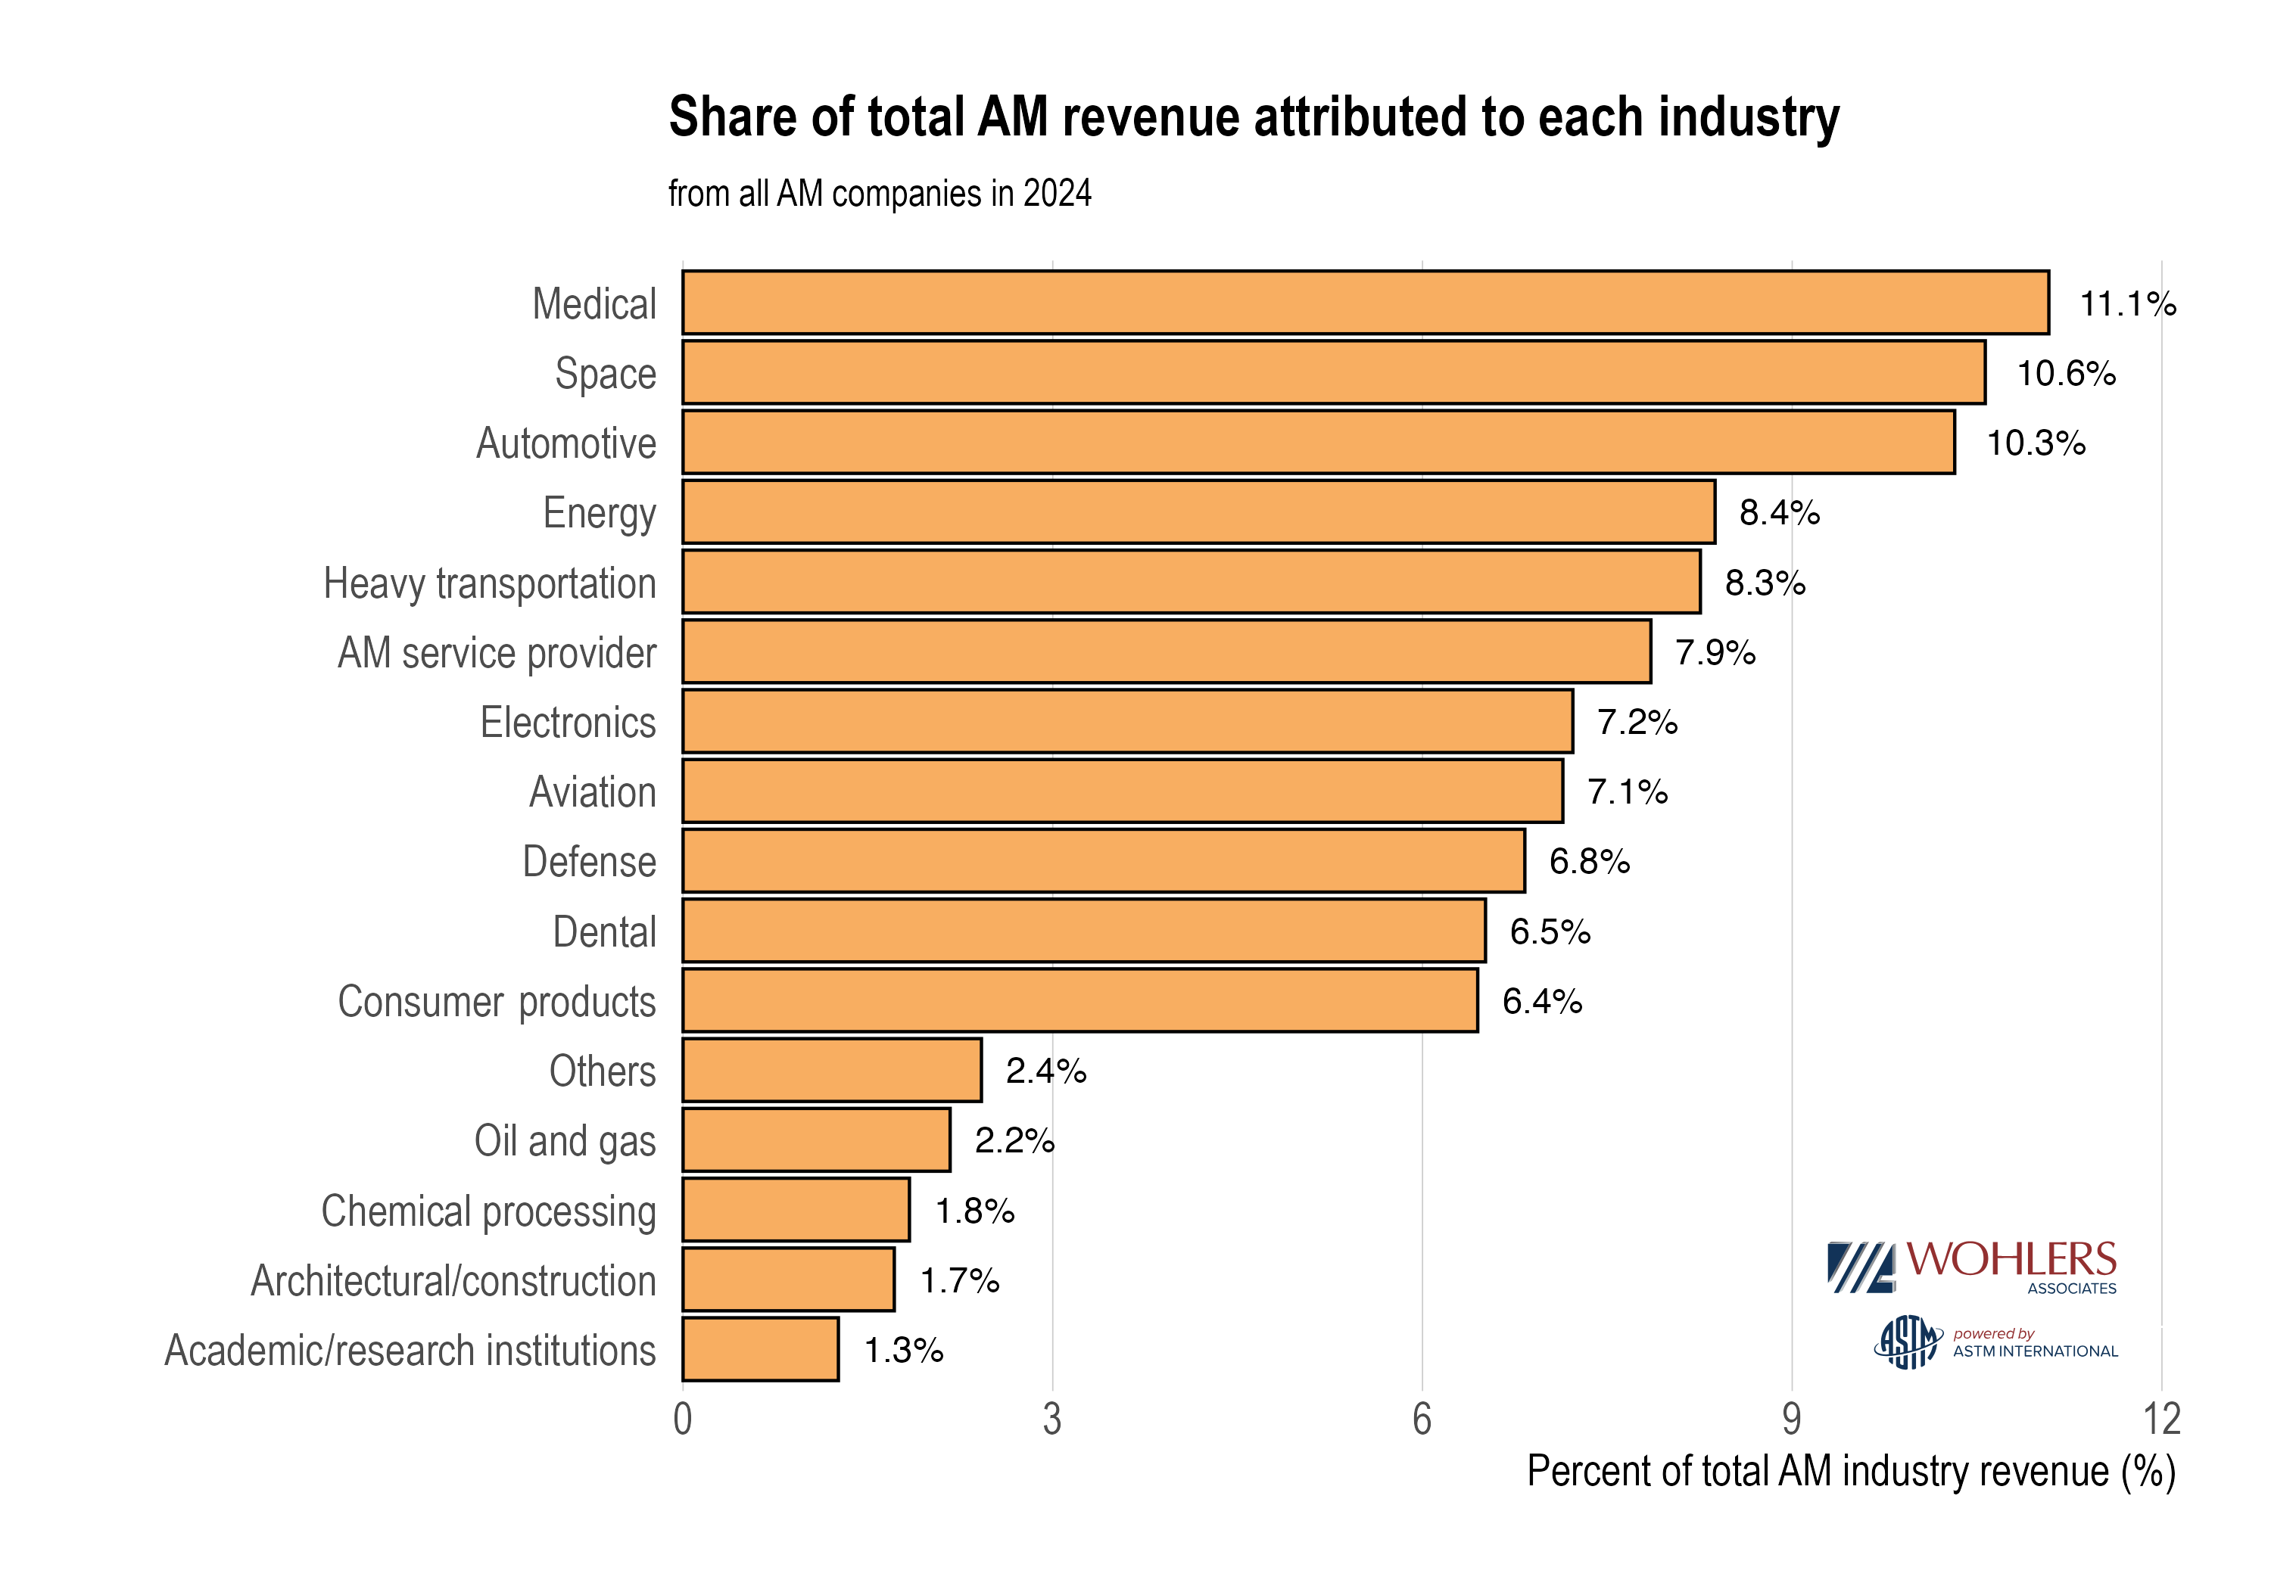
Aviation | 7.1 | $1,554,900,000 | Global | All
Defense | 6.8 | $1,489,200,000 | Global | All
Dental | 6.5 | $1,423,500,000 | Global | All
Consumer Products | 6.4 | $1,401,600,000 | Global | All
Others | 2.4 | $525,600,000 | Global | All
Oil and gas | 2.2 | $481,800,000 | Global | All
Chemical processing | 1.8 | $394,200,000 | Global | All
Architectural/construction | 1.7 | $372,300,000 | Global | All
Academic / research institutions | 1.3 | $284,700,000 | Global | All
Automotive | 14.5062488 | $1,859,701,096 | Global | Polymer
Heavy transportation | 11.9390492 | $1,530,586,107 | Global | Polymer
Medical | 9.9484436 | $1,275,390,470 | Global | Polymer
Space | 9.6315112 | $1,234,759,736 | Global | Polymer
Energy | 9.5831326 | $1,228,557,599 | Global | Polymer
AM service provider | 8.5722327 | $1,098,960,232 | Global | Polymer
Electronics | 8.2976395 | $1,063,757,384 | Global | Polymer
Consumer products | 7.6428742 | $979,816,472 | Global | Polymer
Aviation | 5.9249176 | $759,574,436 | Global | Polymer
Defense | 3.4815438 | $446,333,915 | Global | Polymer
Others | 2.7812288 | $356,553,532 | Global | Polymer
Architectural / construction | 2.0179929 | $258,706,690 | Global | Polymer
Chemical processing | 1.9245394 | $246,725,951 | Global | Polymer
Academic / research institutions | 1.4560647 | $186,667,495 | Global | Polymer
Dental | 1.3127429 | $168,293,640 | Global | Polymer
Oil and gas | 0.9798381 | $125,615,244 | Global | Polymer
Space | 11.895514 | $994,940,791 | Global | Metal
Energy | 10.694418 | $894,481,122 | Global | Metal
Medical | 10.433484 | $872,656,602 | Global | Metal
Heavy transportation | 9.642088 | $806,464,240 | Global | Metal
Aviation | 8.786033 | $734,863,800 | Global | Metal
Dental | 8.152423 | $681,868,660 | Global | Metal
AM service provider | 7.097246 | $593,613,655 | Global | Metal
Automotive | 6.981344 | $583,919,612 | Global | Metal
Electronics | 6.754745 | $564,966,872 | Global | Metal
Defense | 6.177678 | $516,700,988 | Global | Metal
Consumer products | 5.737916 | $479,919,294 | Global | Metal
Others | 1.951976 | $163,263,273 | Global | Metal
Oil and gas | 1.710826 | $143,093,487 | Global | Metal
Chemical processing | 1.384393 | $115,790,631 | Global | Metal
Architectural / construction | 1.322601 | $110,622,348 | Global | Metal
Academic / research institutions | 1.277315 | $106,834,627 | Global | Metal

